Blue KC Counties
Missouri Counties | Kansas Counties | Service Area Notes
Andrew | Johnson
Atchison | Wyandotte | Zip Code 51640 is based in Hamburg, IA. It serves the EXTREME tip of NW Missouri. Must use state code in combination of this zip code.
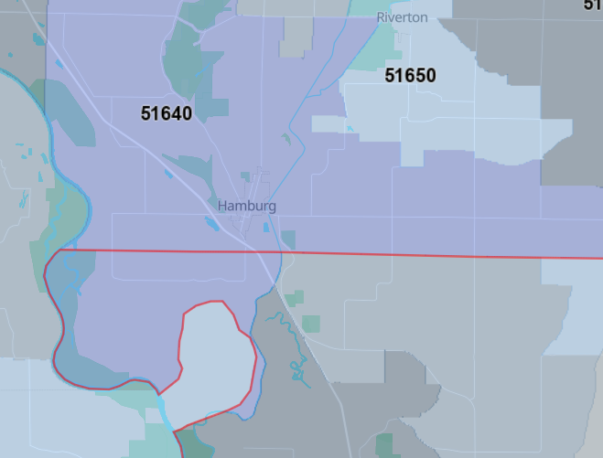
Bates
Benton
Buchanan |  |  | Missouri is denoted by the red line.
Caldwell
Carroll
Cass
Clay
Clinton
Daviess
DeKalb
Gentry
Grundy
Harrison
Henry
Holt
Jackson
Johnson
Lafayette
Livingston
Mercer
Nodaway
Pettis
Platte
Ray
Saline
St.Clair
Vernon
Worth

